que 14
14. How do supplier pricing and categories relate across different regions?

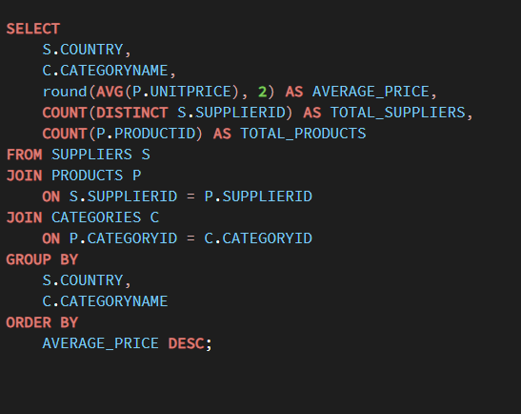
 | Row Labels | Average of UnitPrice | Distinct Count of SupplierID | Count of ProductID
 | Australia
 | Beverages | 15 | 1 | 1
 | Condiments | 43.9 | 1 | 1
 | Confections | 17.45 | 1 | 1
 | Grains/Cereals | 7 | 1 | 1
 | Meat/Poultry | 35.9 | 2 | 2
 | Produce | 53 | 1 | 1
 | Seafood | 62.5 | 1 | 1
 | Brazil
 | Beverages | 4.5 | 1 | 1
 | Canada
 | Condiments | 28.5 | 1 | 1
 | Confections | 49.3 | 1 | 1
 | Meat/Poultry | 15.725 | 1 | 2
 | Denmark
 | Seafood | 10.75 | 1 | 2
 | Finland
 | Beverages | 18 | 1 | 1
 | Confections | 18.125 | 1 | 2
 | France
 | Beverages | 140.75 | 1 | 2
 | Dairy Products | 44.5 | 1 | 2
 | Seafood | 13.25 | 1 | 1
 | Germany
 | Beverages | 7.75 | 1 | 1
 | Condiments | 13 | 1 | 1
 | Confections | 29.71 | 1 | 3
 | Grains/Cereals | 33.25 | 1 | 1
 | Meat/Poultry | 123.79 | 1 | 1
 | Produce | 45.6 | 1 | 1
 | Seafood | 25.89 | 1 | 1
 | Italy
 | Dairy Products | 26.433333333 | 1 | 3
 | Grains/Cereals | 28.75 | 1 | 2
 | Japan
 | Condiments | 15.5 | 1 | 1
 | Meat/Poultry | 97 | 1 | 1
 | Produce | 16.625 | 2 | 2
 | Seafood | 18.5 | 2 | 2
 | Netherlands
 | Confections | 11.125 | 1 | 2
 | Norway
 | Dairy Products | 20 | 1 | 3
 | Singapore
 | Beverages | 46 | 1 | 1
 | Condiments | 19.45 | 1 | 1
 | Grains/Cereals | 14 | 1 | 1
 | Spain
 | Dairy Products | 29.5 | 1 | 2
 | Sweden
 | Grains/Cereals | 15 | 1 | 2
 | Seafood | 20 | 1 | 3
 | UK
 | Beverages | 18.5 | 1 | 2
 | Condiments | 10 | 1 | 1
 | Confections | 28.175 | 1 | 4
 | USA
 | Beverages | 15.333333333 | 1 | 3
 | Condiments | 24.4 | 2 | 6
 | Produce | 30 | 1 | 1
 | Seafood | 14.025 | 1 | 2
 | Grand Total | 28.866363636 | 29 | 77

que 13
13. How are suppliers distributed across different product categories?

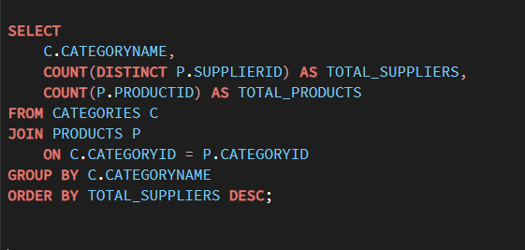
 | Row Labels | Count of ProductID | Distinct Count of SupplierID
 | Beverages | 12 | 8
 | Condiments | 12 | 8
 | Confections | 13 | 6
 | Dairy Products | 10 | 4
 | Grains/Cereals | 7 | 5
 | Meat/Poultry | 6 | 5
 | Produce | 5 | 5
 | Seafood | 12 | 8
 | Grand Total | 77 | 29

que 12
12 Are there any regional trends in supplier distribution and pricing?

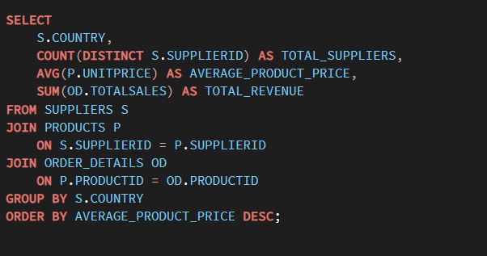
 | Row Labels | Distinct Count of SupplierID | Average of UnitPrice | Sum of TotalSales
 | Australia | 2 | 33.83125 | 172086.5455
 | Brazil | 1 | 4.5 | 4504.365
 | Canada | 2 | 27.3125 | 83742.2075
 | Denmark | 1 | 10.75 | 10221.175
 | Finland | 1 | 18.083333333 | 28442.7275
 | France | 3 | 76.75 | 277554.13
 | Germany | 3 | 37.601111111 | 197450.0165
 | Italy | 2 | 27.36 | 98479.775
 | Japan | 2 | 30.458333333 | 45263.095
 | Netherlands | 1 | 11.125 | 5326.7925
 | Norway | 1 | 20 | 43141.51
 | Singapore | 1 | 26.483333333 | 42017.645
 | Spain | 1 | 29.5 | 25159.43
 | Sweden | 2 | 18 | 31868.12
 | UK | 2 | 22.814285714 | 78432.04
 | USA | 4 | 20.870833333 | 122103.465
 | Grand Total | 29 | 28.866363636 | 1265793.0395

que 11
11. Can we identify anomalies in product sales or revenue performance?

 |  |  | 16438.870643
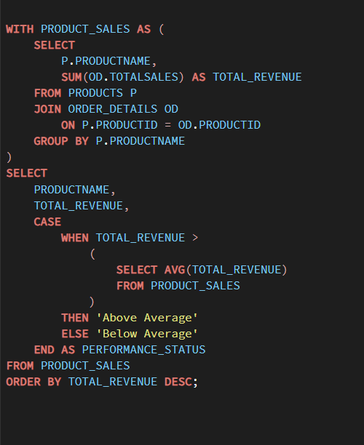
 | Row Labels | Sum of TotalSales | Performance_Status
 | Alice Mutton | 32698.38 | Above Average
 | Aniseed Syrup | 3044 | Below Average
 | Boston Crab Meat | 17910.63 | Above Average
 | Camembert Pierrot | 46825.48 | Above Average
 | Carnarvon Tigers | 29171.875 | Above Average
 | Chai | 12788.1 | Below Average
 | Chang | 16355.96 | Below Average
 | Chartreuse verte | 12294.54 | Below Average
 | Chef Anton's Cajun Seasoning | 8567.9 | Below Average
 | Chef Anton's Gumbo Mix | 5347.2 | Below Average
 | Chocolade | 1368.7125 | Below Average
 | Côte de Blaye | 141396.735 | Above Average
 | Escargots de Bourgogne | 5881.675 | Below Average
 | Filo Mix | 3232.95 | Below Average
 | Fløtemysost | 19551.025 | Above Average
 | Geitost | 1648.125 | Below Average
 | Genen Shouyu | 1784.825 | Below Average
 | Gnocchi di nonna Alice | 42593.06 | Above Average
 | Gorgonzola Telino | 14920.875 | Below Average
 | Grandma's Boysenberry Spread | 7137 | Below Average
 | Gravad lax | 2688.4 | Below Average
 | Guaraná Fantástica | 4504.365 | Below Average
 | Gudbrandsdalsost | 21942.36 | Above Average
 | Gula Malacca | 9915.945 | Below Average
 | Gumbär Gummibärchen | 19849.1445 | Above Average
 | Gustaf's Knäckebröd | 7122.36 | Below Average
 | Ikura | 20867.34 | Above Average
 | Inlagd Sill | 13458.46 | Below Average
 | Ipoh Coffee | 23526.7 | Above Average
 | Jack's New England Clam Chowder | 8680.345 | Below Average
 | Konbu | 4960.44 | Below Average
 | Lakkalikööri | 15760.44 | Below Average
 | Laughing Lumberjack Lager | 2396.8 | Below Average
 | Longlife Tofu | 2432.5 | Below Average
 | Louisiana Fiery Hot Pepper Sauce | 13869.89 | Below Average
 | Louisiana Hot Spiced Okra | 3383 | Below Average
 | Manjimup Dried Apples | 41819.65 | Above Average
 | Mascarpone Fabioli | 8404.16 | Below Average
 | Maxilaku | 9244.6 | Below Average
 | Mishi Kobe Niku | 7226.5 | Below Average
 | Mozzarella di Giovanni | 24900.13 | Above Average
 | Nord-Ost Matjeshering | 13424.1975 | Below Average
 | Northwoods Cranberry Sauce | 12772 | Below Average
 | NuNuCa Nuß-Nougat-Creme | 3704.4 | Below Average
 | Original Frankfurter grüne Soße | 9171.63 | Below Average
 | Outback Lager | 10672.65 | Below Average
 | Pâté chinois | 17426.4 | Above Average
 | Pavlova | 17215.7755 | Above Average
 | Perth Pasties | 20574.17 | Above Average
 | Queso Cabrales | 12901.77 | Below Average
 | Queso Manchego La Pastora | 12257.66 | Below Average
 | Raclette Courdavault | 71155.7 | Above Average
 | Ravioli Angelo | 7661.55 | Below Average
 | Rhönbräu Klosterbier | 8177.49 | Below Average
 | Röd Kaviar | 3997.2 | Below Average
 | Røgede sild | 4338.175 | Below Average
 | Rössle Sauerkraut | 25696.64 | Above Average
 | Sasquatch Ale | 6350.4 | Below Average
 | Schoggi Schokolade | 15099.875 | Below Average
 | Scottish Longbreads | 8714 | Below Average
 | Singaporean Hokkien Fried Mee | 8575 | Below Average
 | Sir Rodney's Marmalade | 22563.36 | Above Average
 | Sir Rodney's Scones | 9104 | Below Average
 | Sirop d'érable | 14352.6 | Below Average
 | Spegesild | 5883 | Below Average
 | Steeleye Stout | 13644 | Below Average
 | Tarte au sucre | 47234.97 | Above Average
 | Teatime Chocolate Biscuits | 5862.62 | Below Average
 | Thüringer Rostbratwurst | 80368.672 | Above Average
 | Tofu | 7991.49 | Below Average
 | Tourtière | 4728.2375 | Below Average
 | Tunnbröd | 4601.7 | Below Average
 | Uncle Bob's Organic Dried Pears | 22044.3 | Above Average
 | Valkoinen suklaa | 3437.6875 | Below Average
 | Vegie-spread | 16701.095 | Above Average
 | Wimmers gute Semmelknödel | 21957.9675 | Above Average
 | Zaanse koeken | 3958.08 | Below Average
 | Grand Total | 1265793.0395

que 10
1. How does product demand change over months or seasons?

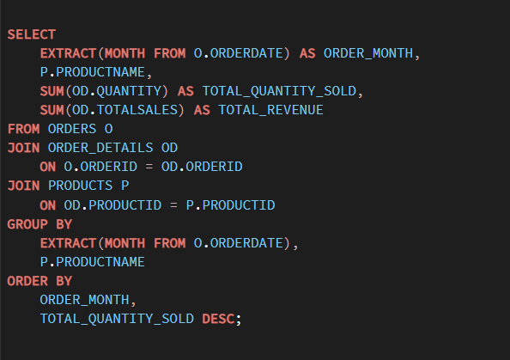
 | Sum of TotalSales | Column Labels
 | Row Labels | Jan | Feb | Mar | Apr | May | Jun | Jul | Aug | Sep | Oct | Nov | Dec | Grand Total
 | Alice Mutton | 3480.75 | 296.4 | 6279 | 1053 | 3170.7 | 2718.3 | 1294.8 | 4836 | 819 | 2184 | 4814.55 | 1751.88 | 32698.38
 | Aniseed Syrup | 180 | 1190 |  | 144 | 250 | 640 |  | 140 | 240 |  | 60 | 200 | 3044
 | Boston Crab Meat | 18.4 | 1976.86 | 2740.45 | 1448.7 | 1380 | 561.2 | 956.8 | 1507.8 | 2412.3 | 3211.72 |  | 1696.4 | 17910.63
 | Camembert Pierrot | 2928.08 | 6548.4 | 3400 | 4610.4 | 8952.2 | 956.42 | 693.6 | 5219 | 2951.2 | 4428.5 | 340 | 5797.68 | 46825.48
 | Carnarvon Tigers | 2325 | 1796.875 | 2812.5 | 2512.5 | 4281.25 |  | 956.25 | 2000 | 5700 | 1125 | 3112.5 | 2550 | 29171.875
 | Chai | 183.6 | 1695.6 | 1548 | 1404 | 2317.5 | 734.4 | 180 | 522 | 1430.1 | 288 | 1084.5 | 1400.4 | 12788.1
 | Chang | 1790.75 | 2039.65 | 1792.65 | 951.9 | 3177.75 | 1001.3 |  | 1634 | 1871.5 | 608 | 1260.46 | 228 | 16355.96
 | Chartreuse verte | 2669.4 | 1026 | 2674.8 | 756 | 180 | 394.2 | 180 | 781.2 | 643.5 | 1620 | 57.6 | 1311.84 | 12294.54
 | Chef Anton's Cajun Seasoning |  | 462 | 495 | 335.28 | 1347.5 | 2057 |  | 352 | 748 | 589.6 | 1015.52 | 1166 | 8567.9
 | Chef Anton's Gumbo Mix | 544 | 640.5 |  | 427 | 1974.875 |  |  | 1047.2 | 628.225 |  | 85.4 |  | 5347.2
 | Chocolade |  | 693.6 | 137.7 |  | 162.5625 |  |  | 68.85 |  |  | 306 |  | 1368.7125
 | Côte de Blaye | 10276.5 | 36853.11 | 25559.5 | 23451.5 | 10540 | 8853.6 |  | 3754.875 |  | 3557.25 | 4005.2 | 14545.2 | 141396.735
 | Escargots de Bourgogne | 837.4 | 1073.25 | 532.65 | 318 | 503.5 | 265 |  | 397.5 | 79.5 | 1203.1 | 671.775 |  | 5881.675
 | Filo Mix | 245.35 | 140 | 336.7 | 370.3 | 231 | 14 | 700 | 191.8 | 35 | 63 | 156.8 | 749 | 3232.95
 | Fløtemysost | 3199.2 | 2236 | 2592.9 | 770.775 | 4171 | 174.15 |  | 806.25 | 1580.25 | 584.8 | 3349.7 | 86 | 19551.025
 | Geitost | 120 | 286.5 | 269.5 | 77.125 | 171.5 | 128.5 | 80 | 196.5 | 135.5 | 167 | 16 |  | 1648.125
 | Genen Shouyu |  |  |  |  | 176.7 |  | 155 | 368.125 | 248 | 775 | 62 |  | 1784.825
 | Gnocchi di nonna Alice | 4552.4 | 6118 | 4679.7 | 2409.2 | 6467.6 | 969 | 3382 | 1808.8 | 2926 | 2827.2 | 2569.56 | 3883.6 | 42593.06
 | Gorgonzola Telino | 3230.25 | 1033.75 | 464.5 | 1994.375 | 377.5 | 1834.375 | 1865 | 200 | 542.5 | 515 | 1563 | 1300.625 | 14920.875
 | Grandma's Boysenberry Spread |  | 150 | 1187.5 | 2180 |  | 399.5 |  |  | 1750 | 600 | 120 | 750 | 7137
 | Gravad lax |  | 1456 |  | 208 |  | 421.2 |  | 20.8 |  |  | 582.4 |  | 2688.4
 | Guaraná Fantástica | 274.5 | 135 | 715.05 | 1353.15 | 713.25 | 231.75 | 166.05 | 272.7 | 235.215 |  | 247.5 | 160.2 | 4504.365
 | Gudbrandsdalsost | 2361.6 | 979.2 | 1710 | 684 | 2505.6 | 1008 | 306 | 2331 | 540 | 1958.4 | 1773 | 5785.56 | 21942.36
 | Gula Malacca | 194.5 | 744.96 | 1472.5 | 388.12 | 897.825 | 778 | 602.95 |  | 1102.8 | 898.59 | 1390.675 | 1445.025 | 9915.945
 | Gumbär Gummibärchen | 1831.914 | 4240.6365 | 2143.5 | 903.15 | 2529.63 | 1249.2 |  | 335.7225 | 929.0925 | 1264.815 | 3061.2 | 1360.284 | 19849.1445
 | Gustaf's Knäckebröd | 210 | 1827 | 201.6 | 441 | 525 | 504 |  | 1103.76 | 1995 | 315 |  |  | 7122.36
 | Ikura | 2008.8 | 3596 | 3224 | 2734.2 | 1103.6 | 93 | 155 | 2480 | 1355.94 | 1314.4 | 2207.2 | 595.2 | 20867.34
 | Inlagd Sill | 642.96 | 780.9 | 380 | 1619.75 | 1225.5 | 2223 | 475 | 1724.25 | 741 | 1293.9 | 1645.4 | 706.8 | 13458.46
 | Ipoh Coffee | 1035 | 1748 | 736 | 2548.4 | 3070.5 | 5317.6 |  |  | 2392 | 2336.8 | 4342.4 |  | 23526.7
 | Jack's New England Clam Chowder | 745.415 | 655.8 | 703.85 | 383.105 | 2001.4925 | 689.01 | 192.5175 | 333.025 |  | 1659.6 | 647.08 | 669.45 | 8680.345
 | Konbu | 332.4 | 492.54 | 429.6 | 1589.4 | 1206 | 189 |  | 403.2 | 200.7 |  | 57.6 | 60 | 4960.44
 | Lakkalikööri | 504 | 1826.1 | 400.32 | 3016.08 | 2214 | 930.6 | 1152 | 1843.2 | 1081.44 | 180 | 1323.9 | 1288.8 | 15760.44
 | Laughing Lumberjack Lager | 42 |  | 420 | 744.8 | 700 | 98 |  |  | 42 | 350 |  |  | 2396.8
 | Longlife Tofu | 1110.5 | 320 | 240 | 128 | 200 |  |  | 384 |  |  |  | 50 | 2432.5
 | Louisiana Fiery Hot Pepper Sauce | 1860.1 | 604.3875 | 2323.8275 |  | 1910.8 | 682.02 | 599.925 | 752.28 | 442.05 | 1185.0875 | 1971.8375 | 1537.575 | 13869.89
 | Louisiana Hot Spiced Okra | 850 |  | 816 | 693.6 | 122.4 | 425 |  |  |  | 476 |  |  | 3383
 | Manjimup Dried Apples | 9844.22 | 636 | 106 | 5872.4 | 6426.25 | 2480.4 | 4717 | 2957.4 | 871.32 | 2067 | 3483.16 | 2358.5 | 41819.65
 | Mascarpone Fabioli |  | 640 | 192 | 1008 | 3976 | 684.8 | 288 | 122.88 |  | 921.6 | 250.88 | 320 | 8404.16
 | Maxilaku | 68 | 936 | 1881.6 | 1744 | 1740 | 120 |  | 1475 | 240 | 480 |  | 560 | 9244.6
 | Mishi Kobe Niku |  | 1687.8 |  |  | 1319.2 |  |  |  |  | 3637.5 | 582 |  | 7226.5
 | Mozzarella di Giovanni | 3295.38 | 1722.6 | 1390 | 3514.8 | 1982.6 | 1914 | 1879.2 | 1231 | 3555.2 | 556 | 2397.75 | 1461.6 | 24900.13
 | Nord-Ost Matjeshering | 1131.4575 | 864.51 | 3418.5225 | 968.19 | 880.26 | 906.15 | 517.8 | 931.5 | 900.9 | 245.835 | 1105.6725 | 1553.4 | 13424.1975
 | Northwoods Cranberry Sauce | 960 | 800 | 1200 | 1320 | 2500 | 72 |  |  |  |  | 2000 | 3920 | 12772
 | NuNuCa Nuß-Nougat-Creme | 751.8 | 620.2 | 70 | 470.4 | 1075.2 |  |  |  |  |  | 44.8 | 672 | 3704.4
 | Original Frankfurter grüne Soße | 340.6 | 1103.7 | 1359.8 | 1206.4 | 1387.23 | 458.9 | 234 | 1330.55 | 445.25 | 864.5 | 292.5 | 148.2 | 9171.63
 | Outback Lager | 1245 | 1458.9 | 1353.75 | 792 | 1218 | 105 |  | 642.75 | 468.75 | 1230 | 1558.5 | 600 | 10672.65
 | Pâté chinois | 3441.6 | 144 | 3777.6 | 1130.88 | 4196.4 | 384 | 980.4 | 846.72 | 657.6 | 86.4 | 1118.4 | 662.4 | 17426.4
 | Pavlova | 1483.25 | 1120.615 | 1981.74 | 3494.115 | 924.85 | 2045.838 | 188.46 | 1609.325 | 472.6 | 1908.375 | 946.115 | 1040.4925 | 17215.7755
 | Perth Pasties | 3170.2 | 1517.73 | 1801.4 | 1455.2 | 3755.6 |  | 1410.4 | 393 | 1927.16 | 1114 | 4029.48 |  | 20574.17
 | Queso Cabrales | 1601.25 | 1197 | 2890.44 | 1506.75 | 210 | 2042.25 | 924 | 462 | 210 | 201.6 | 987 | 669.48 | 12901.77
 | Queso Manchego La Pastora |  |  | 456 | 1900 | 1603.6 | 1468.7 |  | 346.56 | 1162.8 | 3800 | 1520 |  | 12257.66
 | Raclette Courdavault | 4061.75 | 9650.3 | 6138 | 4708 | 19145.5 | 852.5 | 2420 | 8310.5 | 910.8 | 2145 | 7932.1 | 4881.25 | 71155.7
 | Ravioli Angelo |  | 1550.25 | 577.2 | 877.5 | 936 | 87.75 | 195 | 1392.3 | 31.2 |  | 1029.6 | 984.75 | 7661.55
 | Rhönbräu Klosterbier | 815.3 | 155 | 1144.52 | 1605.025 | 1094.3 | 263.5 | 887.375 | 496 | 331.7 | 488.25 | 635.5 | 261.02 | 8177.49
 | Röd Kaviar |  | 216 | 150 | 192 |  | 506.7 | 45 | 450 | 746.25 | 750 | 716.25 | 225 | 3997.2
 | Røgede sild | 334.875 | 273.6 | 142.5 | 490.2 | 389.5 | 807.5 |  |  | 190 |  | 1045 | 665 | 4338.175
 | Rössle Sauerkraut | 1931.6 | 1375.92 | 2211.6 | 3254.4 | 6935.76 | 629.28 |  |  | 2609 | 1164.8 | 2972 | 2612.28 | 25696.64
 | Sasquatch Ale | 252 |  | 319.2 | 652.4 | 2821 | 105 | 560 |  | 224 | 156.8 | 330.4 | 929.6 | 6350.4
 | Schoggi Schokolade | 1756 | 439 | 1755 | 2414.5 | 5268 |  |  | 3072.5 | 394.875 |  |  |  | 15099.875
 | Scottish Longbreads | 1576.5 | 1060 | 882.5 | 750 | 1612.5 | 687.5 |  |  | 394.5 | 490 | 1162.5 | 98 | 8714
 | Singaporean Hokkien Fried Mee | 411.6 | 1234.8 | 350 | 672 | 2430.4 |  | 333.2 | 1218 | 70 | 1272.6 | 89.6 | 492.8 | 8575
 | Sir Rodney's Marmalade | 2397.6 | 405 | 1539 | 5467.5 | 4374 | 1171.26 |  | 3823.2 | 1684.8 | 1701 |  |  | 22563.36
 | Sir Rodney's Scones | 468 | 312 | 1892 | 1658 | 1455 | 204 |  | 380 | 885 | 708 | 426 | 716 | 9104
 | Sirop d'érable | 570 | 1091.55 | 3568.2 | 855 | 3479.85 | 826.5 |  | 2565 | 456 |  | 427.5 | 513 | 14352.6
 | Spegesild | 673.92 | 626.4 | 559.2 | 336 | 607.8 | 341.28 |  |  | 367.2 | 1260 | 792 | 319.2 | 5883
 | Steeleye Stout | 1220.4 | 2212.2 | 781.2 | 900 | 2103.3 | 954 | 360 | 1125 | 1983.6 |  | 1500.3 | 504 | 13644
 | Tarte au sucre | 3190.975 | 7552.225 | 4440.53 | 6966.09 | 1515.975 | 2908.7 | 1491.325 | 1330.65 | 6140.7 | 5319.5 | 4455.6 | 1922.7 | 47234.97
 | Teatime Chocolate Biscuits | 646.76 | 540.37 | 798.84 | 364.6 | 1145.4 | 161 | 257.6 |  | 584.9 | 505.1 | 274.05 | 584 | 5862.62
 | Thüringer Rostbratwurst | 11449.487 | 3948.229 | 20464.31 | 3336.86 | 16092.7 |  | 1237.9 | 990 | 4703.54 | 7921.84 | 6362.806 | 3861 | 80368.672
 | Tofu | 1143.9 | 1209 |  | 223.2 | 1627.5 | 371.3025 | 1106.7 | 167.4 | 558 | 760.275 | 353.4 | 470.8125 | 7991.49
 | Tourtière | 181.925 | 230.9625 | 1101.96 | 106.2 | 335.25 | 341.21 |  | 402.3 | 276.6 | 293.23 | 803.7 | 654.9 | 4728.2375
 | Tunnbröd | 288 | 1161 | 666 | 313.2 | 162 | 724.5 |  |  | 90 | 333 | 288 | 576 | 4601.7
 | Uncle Bob's Organic Dried Pears | 1318.5 | 690 | 1294.8 | 7230 | 4995 | 756 |  | 2010 | 1050 |  | 2700 |  | 22044.3
 | Valkoinen suklaa | 195 |  | 520 | 861.25 |  | 357.5 |  |  | 385.9375 |  |  | 1118 | 3437.6875
 | Vegie-spread | 1822.44 | 2281.5 | 921.375 | 4609.5 | 1843.8 |  | 263.4 | 842.88 | 456.3 |  | 3264.8 | 395.1 | 16701.095
 | Wimmers gute Semmelknödel | 1729 | 3627.575 | 2854.5125 | 1409.8 | 1330 | 4387.005 | 1735.65 |  | 538.65 | 1379.875 |  | 2965.9 | 21957.9675
 | Zaanse koeken | 285 | 703 | 350.55 | 693.5 | 48.45 |  | 237.5 | 142.5 |  | 668.8 | 615.03 | 213.75 | 3958.08
 | Grand Total | 116638.0585 | 142657.9555 | 150721.1475 | 139978.67 | 185702.91 | 66666.3505 | 36362.8025 | 78882.7525 | 72772.945 | 82010.6425 | 102393.151 | 91005.654 | 1265793.0395

que 9
1. Are there correlations between product pricing, stock levels, and sales performance?

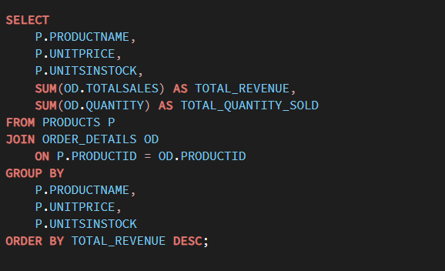
 | Row Labels | Average of UnitPrice | Average of UnitsInStock | Sum of Quantity | Sum of TotalSales
 | Alice Mutton | 39 | 0 | 978 | 32698.38
 | Aniseed Syrup | 10 | 13 | 328 | 3044
 | Boston Crab Meat | 18.4 | 123 | 1103 | 17910.63
 | Camembert Pierrot | 34 | 19 | 1577 | 46825.48
 | Carnarvon Tigers | 62.5 | 42 | 539 | 29171.875
 | Chai | 18 | 39 | 828 | 12788.1
 | Chang | 19 | 17 | 1057 | 16355.96
 | Chartreuse verte | 18 | 69 | 793 | 12294.54
 | Chef Anton's Cajun Seasoning | 22 | 53 | 453 | 8567.9
 | Chef Anton's Gumbo Mix | 21.35 | 0 | 298 | 5347.2
 | Chocolade | 12.75 | 15 | 138 | 1368.7125
 | Côte de Blaye | 263.5 | 17 | 623 | 141396.735
 | Escargots de Bourgogne | 13.25 | 62 | 534 | 5881.675
 | Filo Mix | 7 | 38 | 500 | 3232.95
 | Fløtemysost | 21.5 | 26 | 1057 | 19551.025
 | Geitost | 2.5 | 112 | 755 | 1648.125
 | Genen Shouyu | 15.5 | 39 | 122 | 1784.825
 | Gnocchi di nonna Alice | 38 | 21 | 1263 | 42593.06
 | Gorgonzola Telino | 12.5 | 0 | 1397 | 14920.875
 | Grandma's Boysenberry Spread | 25 | 120 | 301 | 7137
 | Gravad lax | 26 | 11 | 125 | 2688.4
 | Guaraná Fantástica | 4.5 | 20 | 1125 | 4504.365
 | Gudbrandsdalsost | 36 | 26 | 714 | 21942.36
 | Gula Malacca | 19.45 | 27 | 601 | 9915.945
 | Gumbär Gummibärchen | 31.23 | 15 | 753 | 19849.1445
 | Gustaf's Knäckebröd | 21 | 104 | 348 | 7122.36
 | Ikura | 31 | 31 | 742 | 20867.34
 | Inlagd Sill | 19 | 112 | 805 | 13458.46
 | Ipoh Coffee | 46 | 17 | 580 | 23526.7
 | Jack's New England Clam Chowder | 9.65 | 85 | 981 | 8680.345
 | Konbu | 6 | 24 | 891 | 4960.44
 | Lakkalikööri | 18 | 57 | 981 | 15760.44
 | Laughing Lumberjack Lager | 14 | 52 | 184 | 2396.8
 | Longlife Tofu | 10 | 4 | 297 | 2432.5
 | Louisiana Fiery Hot Pepper Sauce | 21.05 | 76 | 745 | 13869.89
 | Louisiana Hot Spiced Okra | 17 | 4 | 239 | 3383
 | Manjimup Dried Apples | 53 | 20 | 886 | 41819.65
 | Mascarpone Fabioli | 32 | 9 | 297 | 8404.16
 | Maxilaku | 20 | 10 | 520 | 9244.6
 | Mishi Kobe Niku | 97 | 29 | 95 | 7226.5
 | Mozzarella di Giovanni | 34.8 | 14 | 806 | 24900.13
 | Nord-Ost Matjeshering | 25.89 | 10 | 612 | 13424.1975
 | Northwoods Cranberry Sauce | 40 | 6 | 372 | 12772
 | NuNuCa Nuß-Nougat-Creme | 14 | 76 | 318 | 3704.4
 | Original Frankfurter grüne Soße | 13 | 32 | 791 | 9171.63
 | Outback Lager | 15 | 15 | 817 | 10672.65
 | Pâté chinois | 24 | 115 | 903 | 17426.4
 | Pavlova | 17.45 | 29 | 1158 | 17215.7755
 | Perth Pasties | 32.8 | 0 | 722 | 20574.17
 | Queso Cabrales | 21 | 22 | 706 | 12901.77
 | Queso Manchego La Pastora | 38 | 86 | 344 | 12257.66
 | Raclette Courdavault | 55 | 79 | 1496 | 71155.7
 | Ravioli Angelo | 19.5 | 36 | 434 | 7661.55
 | Rhönbräu Klosterbier | 7.75 | 125 | 1155 | 8177.49
 | Röd Kaviar | 15 | 101 | 293 | 3997.2
 | Røgede sild | 9.5 | 5 | 508 | 4338.175
 | Rössle Sauerkraut | 45.6 | 26 | 640 | 25696.64
 | Sasquatch Ale | 14 | 111 | 506 | 6350.4
 | Schoggi Schokolade | 43.9 | 49 | 365 | 15099.875
 | Scottish Longbreads | 12.5 | 6 | 799 | 8714
 | Singaporean Hokkien Fried Mee | 14 | 26 | 697 | 8575
 | Sir Rodney's Marmalade | 81 | 40 | 313 | 22563.36
 | Sir Rodney's Scones | 10 | 3 | 1016 | 9104
 | Sirop d'érable | 28.5 | 113 | 603 | 14352.6
 | Spegesild | 12 | 95 | 548 | 5883
 | Steeleye Stout | 18 | 20 | 883 | 13644
 | Tarte au sucre | 49.3 | 17 | 1083 | 47234.97
 | Teatime Chocolate Biscuits | 9.2 | 25 | 723 | 5862.62
 | Thüringer Rostbratwurst | 123.79 | 0 | 746 | 80368.672
 | Tofu | 23.25 | 35 | 404 | 7991.49
 | Tourtière | 7.45 | 21 | 755 | 4728.2375
 | Tunnbröd | 9 | 61 | 580 | 4601.7
 | Uncle Bob's Organic Dried Pears | 30 | 15 | 763 | 22044.3
 | Valkoinen suklaa | 16.25 | 65 | 235 | 3437.6875
 | Vegie-spread | 43.9 | 24 | 445 | 16701.095
 | Wimmers gute Semmelknödel | 33.25 | 22 | 740 | 21957.9675
 | Zaanse koeken | 9.5 | 36 | 485 | 3958.08
 | Grand Total | 28.866363636 | 40.506493506 | 51317 | 1265793.0395

que 8
1. What patterns exist in employee title and courtesy title distributions?

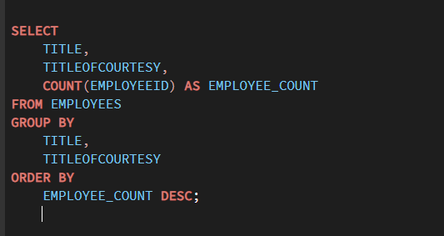
 | Row Labels | Count of EmployeeID
 | Inside Sales Coordinator | 1
 | Ms. | 1
 | Sales Manager | 1
 | Mr. | 1
 | Sales Representative | 6
 | Mr. | 2
 | Mrs. | 1
 | Ms. | 3
 | Vice President, Sales | 1
 | Dr. | 1
 | Grand Total | 9

que 7
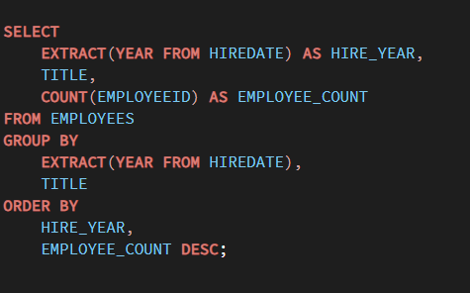
Row Labels | Count of EmployeeID | EmployeeID | HireDate | Title
1992 | 3 | 1 | 1992 | Sales Representative
Sales Representative | 2 | 2 | 1992 | Vice President, Sales
Vice President, Sales | 1 | 3 | 1992 | Sales Representative
1993 | 3 | 4 | 1993 | Sales Representative
Sales Manager | 1 | 5 | 1993 | Sales Manager
Sales Representative | 2 | 6 | 1993 | Sales Representative
1994 | 3 | 7 | 1994 | Sales Representative
Inside Sales Coordinator | 1 | 8 | 1994 | Inside Sales Coordinator
Sales Representative | 2 | 9 | 1994 | Sales Representative
Grand Total | 9

que 6
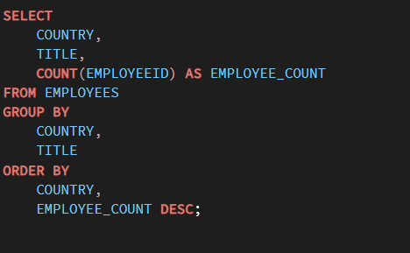
Row Labels | Count of EmployeeID
Inside Sales Coordinator
USA | 1
Sales Manager
UK | 1
Sales Representative
UK | 3
USA | 3
Vice President, Sales
USA | 1
Grand Total | 9

que 5
 | 5. How frequently do different customer segments place orders?

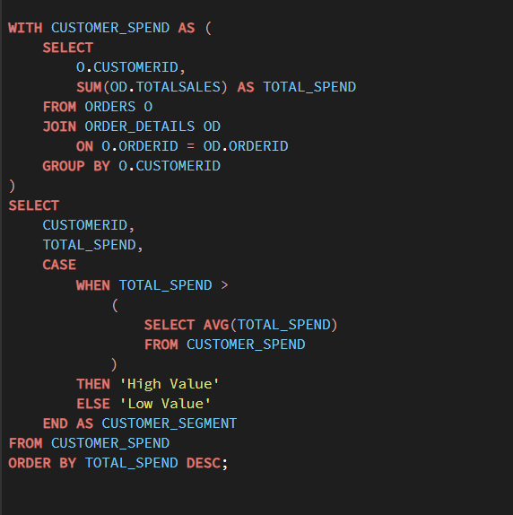
Row Labels | Sum of TotalSales | Customer Segments
ALFKI | 4273 | Low Value | Average
ANATR | 1402.95 | Low Value | 14222.393702
ANTON | 7023.9775 | Low Value
AROUT | 13390.65 | Low Value
BERGS | 24927.5775 | High Value
BLAUS | 3239.8 | Low Value
BLONP | 18534.08 | High Value
BOLID | 4232.85 | Low Value
BONAP | 21963.2525 | High Value
BOTTM | 20801.6 | High Value
BSBEV | 6089.9 | Low Value
CACTU | 1814.8 | Low Value
CENTC | 100.8 | Low Value
CHOPS | 12348.88 | Low Value
COMMI | 3810.75 | Low Value
CONSH | 1719.1 | Low Value
DRACD | 3763.21 | Low Value
DUMON | 1615.9 | Low Value
EASTC | 14761.035 | High Value
ERNSH | 104874.9785 | High Value
FAMIA | 4107.55 | Low Value
FOLIG | 11666.9 | Low Value
FOLKO | 29567.5625 | High Value
FRANK | 26656.5595 | High Value
FRANR | 3172.16 | Low Value
FRANS | 1545.7 | Low Value
FURIB | 6427.4225 | Low Value
GALED | 836.7 | Low Value
GODOS | 11446.36 | Low Value
GOURL | 8414.135 | Low Value
GREAL | 18507.45 | High Value
GROSR | 1488.7 | Low Value
HANAR | 32841.37 | High Value
HILAA | 22768.764 | High Value
HUNGC | 3063.2 | Low Value
HUNGO | 49979.905 | High Value
ISLAT | 6146.3 | Low Value
KOENE | 30908.384 | High Value
LACOR | 1992.05 | Low Value
LAMAI | 9328.2 | Low Value
LAUGB | 522.5 | Low Value
LAZYK | 357 | Low Value
LEHMS | 19261.41 | High Value
LETSS | 3076.4725 | Low Value
LILAS | 16076.6 | High Value
LINOD | 16476.565 | High Value
LONEP | 4258.6 | Low Value
MAGAA | 7176.215 | Low Value
MAISD | 9736.075 | Low Value
MEREP | 28872.19 | High Value
MORGK | 5042.2 | Low Value
NORTS | 649 | Low Value
OCEAN | 3460.2 | Low Value
OLDWO | 15177.4625 | High Value
OTTIK | 12496.2 | Low Value
PERIC | 4242.2 | Low Value
PICCO | 23128.86 | High Value
PRINI | 5044.94 | Low Value
QUEDE | 6664.81 | Low Value
QUEEN | 25717.4975 | High Value
QUICK | 110277.305 | High Value
RANCH | 2844.1 | Low Value
RATTC | 51097.8005 | High Value
REGGC | 7048.24 | Low Value
RICAR | 12450.8 | Low Value
RICSU | 19343.779 | High Value
ROMEY | 1467.29 | Low Value
SANTG | 5735.15 | Low Value
SAVEA | 104361.95 | High Value
SEVES | 16215.325 | High Value
SIMOB | 16817.0975 | High Value
SPECD | 2423.35 | Low Value
SPLIR | 11441.63 | Low Value
SUPRD | 24088.78 | High Value
THEBI | 3361 | Low Value
THECR | 1947.24 | Low Value
TOMSP | 4778.14 | Low Value
TORTU | 10812.15 | Low Value
TRADH | 6850.664 | Low Value
TRAIH | 1571.2 | Low Value
VAFFE | 15843.925 | High Value
VICTE | 9182.43 | Low Value
VINET | 1480 | Low Value
WANDK | 9588.425 | Low Value
WARTH | 15648.7025 | High Value
WELLI | 6068.2 | Low Value
WHITC | 27363.605 | High Value
WILMK | 3161.35 | Low Value
WOLZA | 3531.95 | Low Value
Grand Total | 1265793.0395 | High Value

que 4
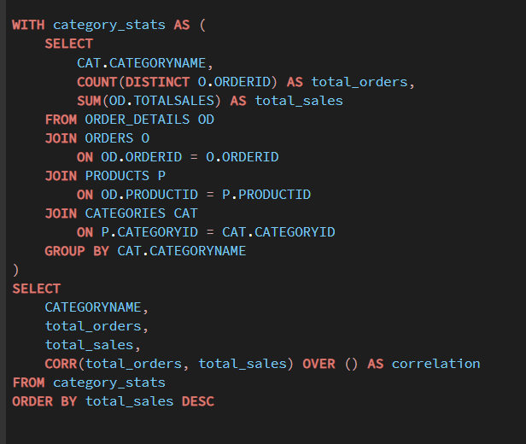
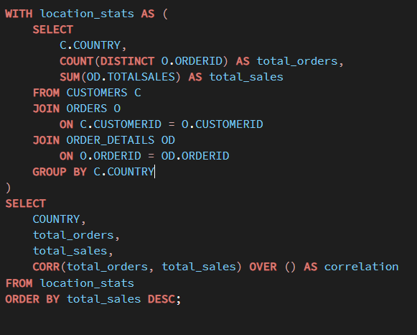
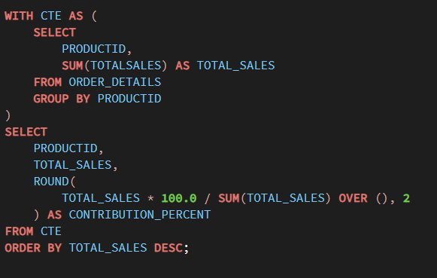
 | Row Labels | Sum of TotalSales
 | 1 | 16731.545
 | 2 | 31759.35
 | 3 | 13951.025
 | 4 | 9151.685
 | 5 | 8857.8
 | 6 | 7512.3
 | 7 | 15187.722
 | 8 | 6884.16
 | 9 | 6835.719
 | 10 | 23474.4675
 | 11 | 20668.6835
 | 12 | 8805.245
 | 13 | 19492.153
 | 14 | 11032.695
 | 15 | 3390.7125
 | 16 | 26922.189
 | 17 | 18763.485
 | 18 | 11279.63
 | 19 | 23749.535
 | 20 | 9852.12
 | 21 | 18936.7275
 | 22 | 3653.1
 | 23 | 6881.615
 | 24 | 22438.985
 | 25 | 8888.565
 | 26 | 19342.25
 | 27 | 6313.6
 | 28 | 14057.31
 | 29 | 19113.45
 | 30 | 13812.34
 | 31 | 25964.4215
 | 32 | 9480.385
 | 33 | 12047.305
 | 34 | 9313.7675
 | 35 | 36491.07
 | 36 | 31797.5
 | 37 | 4571.86
 | 38 | 14500.37
 | 39 | 28126.72
 | 40 | 26051.78
 | 41 | 24121.63
 | 42 | 17809.6275
 | 43 | 17280.75
 | 44 | 10068.3
 | 45 | 16443.564
 | 46 | 17374.785
 | 47 | 9573.83
 | 48 | 1493.325
 | 49 | 12185.87
 | 50 | 9422.425
 | 51 | 19400.24
 | 52 | 8932.2
 | 53 | 24199.32
 | 54 | 23421.0425
 | 55 | 12358.5825
 | 56 | 22645.155
 | 57 | 14875.73
 | 58 | 8315.7375
 | 59 | 37914.8225
 | 60 | 26512.75
 | 61 | 18546.55
 | 62 | 42009.155
 | 63 | 21161.99
 | 64 | 12887.16
 | 65 | 10045.05
 | 66 | 2503.48
 | 67 | 10044.5
 | 68 | 26828.295
 | 69 | 15592.37
 | 70 | 23314.325
 | 71 | 22894.07
 | 72 | 17844.5825
 | 73 | 8214.6
 | 74 | 5007.88
 | 75 | 21199.6525
 | 76 | 27950.55
 | 77 | 19047.8
 | Grand Total | 1265527.0395

5. Are there any correlations between orders and customer location or product category?

que 3
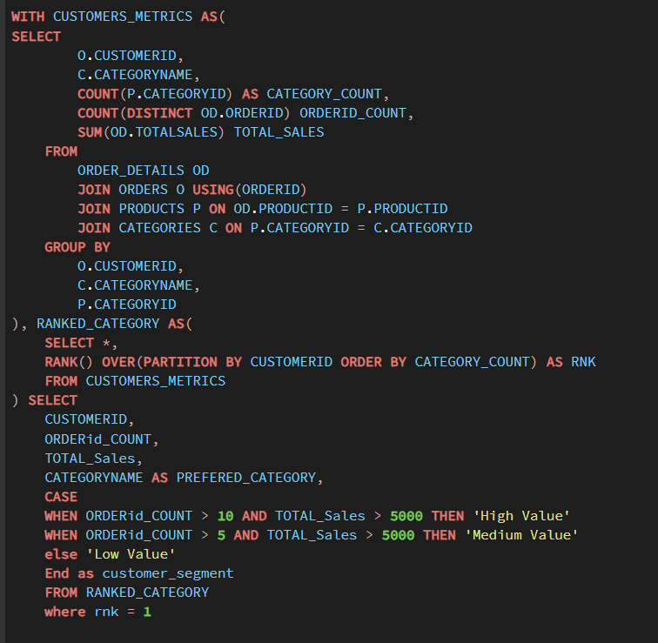

Row Labels | Sum of TotalSales
Beverages | 98
Condiments | 174
Confections | 167.4
Dairy Products | 1696
Grains/Cereals | 77
Meat/Poultry | 1261.4
Produce | 214.2
Seafood | 95.76
Grand Total | 3783.76

que 2
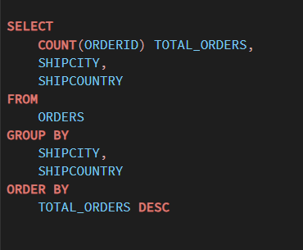
Row Labels | Count of OrderID
Argentina | 16
Austria | 40
Belgium | 19
Brazil | 83
Canada | 30
Denmark | 18
Finland | 22
France | 77
Germany | 122
Ireland | 19
Italy | 28
Mexico | 28
Norway | 6
Poland | 7
Portugal | 13
Spain | 23
Sweden | 37
Switzerland | 18
UK | 56
USA | 122
Venezuela | 46
Grand Total | 830

que 1
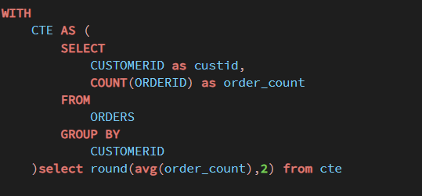
Row Labels | Count of OrderID | Row Labels | Sum of TotalSales | Count of OrderID
ALFKI | 6 | ALFKI | 4273 | 12
ANATR | 4 | ANATR | 1402.95 | 10
ANTON | 7 | ANTON | 7023.9775 | 17
AROUT | 13 | AROUT | 13390.65 | 30
BERGS | 18 | BERGS | 24927.5775 | 52
BLAUS | 7 | BLAUS | 3239.8 | 14
BLONP | 11 | BLONP | 18534.08 | 26
BOLID | 3 | BOLID | 4232.85 | 6
BONAP | 17 | BONAP | 21963.2525 | 44
BOTTM | 14 | BOTTM | 20801.6 | 35
BSBEV | 10 | BSBEV | 6089.9 | 22
CACTU | 6 | CACTU | 1814.8 | 11
CENTC | 1 | CENTC | 100.8 | 2
CHOPS | 8 | CHOPS | 12348.88 | 22
COMMI | 5 | COMMI | 3810.75 | 10
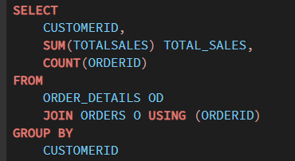
CONSH | 3 | CONSH | 1719.1 | 7
DRACD | 6 | DRACD | 3763.21 | 10
DUMON | 4 | DUMON | 1615.9 | 9
EASTC | 8 | EASTC | 14761.035 | 21
ERNSH | 30 | ERNSH | 104874.9785 | 102
FAMIA | 7 | FAMIA | 4107.55 | 19
FOLIG | 5 | FOLIG | 11666.9 | 16
FOLKO | 19 | FOLKO | 29567.5625 | 45
FRANK | 15 | FRANK | 26656.5595 | 48
FRANR | 3 | FRANR | 3172.16 | 6
FRANS | 6 | FRANS | 1545.7 | 10
FURIB | 8 | FURIB | 6427.4225 | 20
GALED | 5 | GALED | 836.7 | 8
GODOS | 10 | GODOS | 11446.36 | 26
GOURL | 9 | GOURL | 8414.135 | 19
GREAL | 11 | GREAL | 18507.45 | 22
GROSR | 2 | GROSR | 1488.7 | 4
HANAR | 14 | HANAR | 32841.37 | 32
HILAA | 18 | HILAA | 22768.764 | 45
HUNGC | 5 | HUNGC | 3063.2 | 9
HUNGO | 19 | HUNGO | 49979.905 | 55
ISLAT | 10 | ISLAT | 6146.3 | 23
KOENE | 14 | KOENE | 30908.384 | 39
LACOR | 4 | LACOR | 1992.05 | 11
LAMAI | 14 | LAMAI | 9328.2 | 31
LAUGB | 3 | LAUGB | 522.5 | 8
LAZYK | 2 | LAZYK | 357 | 2
LEHMS | 15 | LEHMS | 19261.41 | 39
LETSS | 4 | LETSS | 3076.4725 | 10
LILAS | 14 | LILAS | 16076.6 | 34
LINOD | 12 | LINOD | 16476.565 | 35
LONEP | 8 | LONEP | 4258.6 | 14
MAGAA | 10 | MAGAA | 7176.215 | 21
MAISD | 7 | MAISD | 9736.075 | 17
MEREP | 13 | MEREP | 28872.19 | 32
MORGK | 5 | MORGK | 5042.2 | 11
NORTS | 3 | NORTS | 649 | 6
OCEAN | 5 | OCEAN | 3460.2 | 11
OLDWO | 10 | OLDWO | 15177.4625 | 24
OTTIK | 10 | OTTIK | 12496.2 | 29
PERIC | 6 | PERIC | 4242.2 | 14
PICCO | 10 | PICCO | 23128.86 | 23
PRINI | 5 | PRINI | 5044.94 | 10
QUEDE | 9 | QUEDE | 6664.81 | 24
QUEEN | 13 | QUEEN | 25717.4975 | 40
QUICK | 28 | QUICK | 110277.305 | 86
RANCH | 5 | RANCH | 2844.1 | 12
RATTC | 18 | RATTC | 51097.8005 | 71
REGGC | 12 | REGGC | 7048.24 | 22
RICAR | 11 | RICAR | 12450.8 | 27
RICSU | 10 | RICSU | 19343.779 | 30
ROMEY | 5 | ROMEY | 1467.29 | 14
SANTG | 6 | SANTG | 5735.15 | 16
SAVEA | 31 | SAVEA | 104361.95 | 116
SEVES | 9 | SEVES | 16215.325 | 26
SIMOB | 7 | SIMOB | 16817.0975 | 15
SPECD | 4 | SPECD | 2423.35 | 6
SPLIR | 9 | SPLIR | 11441.63 | 20
SUPRD | 12 | SUPRD | 24088.78 | 39
THEBI | 4 | THEBI | 3361 | 7
THECR | 3 | THECR | 1947.24 | 8
TOMSP | 6 | TOMSP | 4778.14 | 14
TORTU | 10 | TORTU | 10812.15 | 29
TRADH | 6 | TRADH | 6850.664 | 13
TRAIH | 3 | TRAIH | 1571.2 | 9
VAFFE | 11 | VAFFE | 15843.925 | 31
VICTE | 10 | VICTE | 9182.43 | 25
VINET | 5 | VINET | 1480 | 10
WANDK | 10 | WANDK | 9588.425 | 26
WARTH | 15 | WARTH | 15648.7025 | 37
WELLI | 9 | WELLI | 6068.2 | 19
WHITC | 14 | WHITC | 27363.605 | 40
WILMK | 7 | WILMK | 3161.35 | 17
WOLZA | 7 | WOLZA | 3531.95 | 16
Grand Total | 830 | Grand Total | 1265793.0395 | 2155

